Sheet3
 | sales flow
1 | details and attachments not working | Mobile
2 | trip start actions not working | Mobile
3 | in meeting report enquiry source field customer query , enquiry sub source not added | Mobile
4 | after submitting quotations ,valu showing undefined | web
5 | prospect visit logo very small | Mobile
6 | prospect visit- purpose of visit drop down data not added | Mobile
7 | amount is there in report and in screen label was mentioned as quotation value
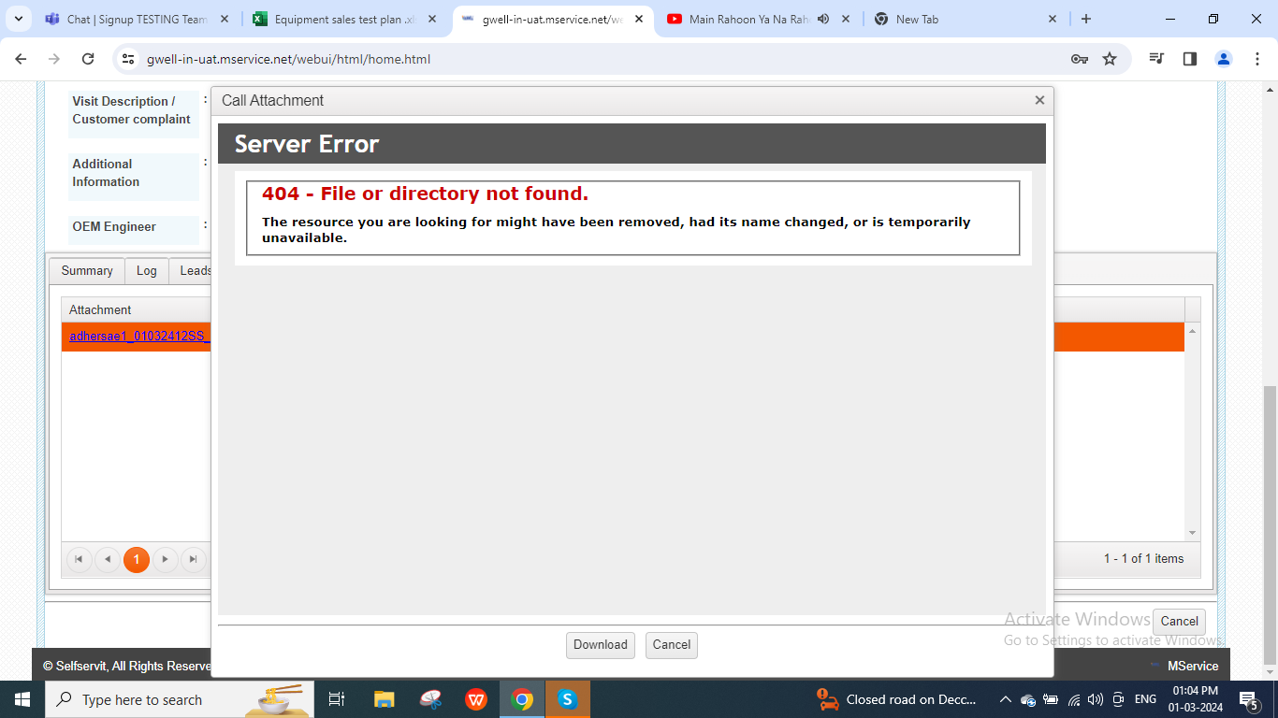
8 | quotations submit ,value and order won actions are there in call log but in equipment enquiry management screen showing as undefined | Mobile
9 | Attachements showing error | web
10 | meeting report not working in user attachements( able to view DSR pdf) | Mobile

